Sheet1
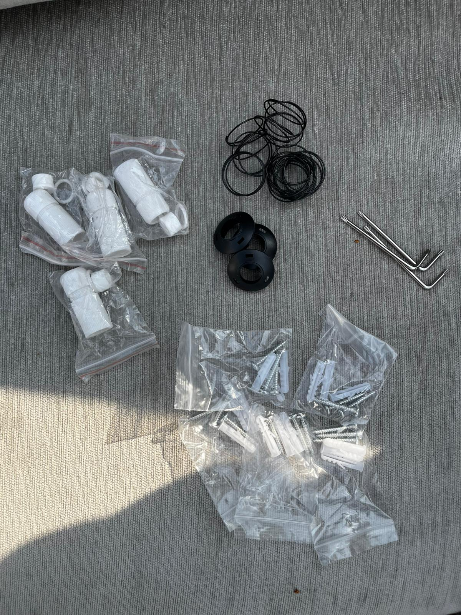
Product name | QTY
MS1836S_QFN48-7x7 | 85
RTL8309N-VB-CG | 500
RTL8211F-CG | 300
RP2040 | 100
Camera LED | 2500
High-quality drawer tubular cam lock (with 2 keys) | 20
Camera Box #1 | 1000 | Unwanted parts is at bottom
Camera Box #2 | 400
T10 Screws (extra) the one that comes with camera box #1 | 1000
JS05A-20P-080-4-8 | 2000 | 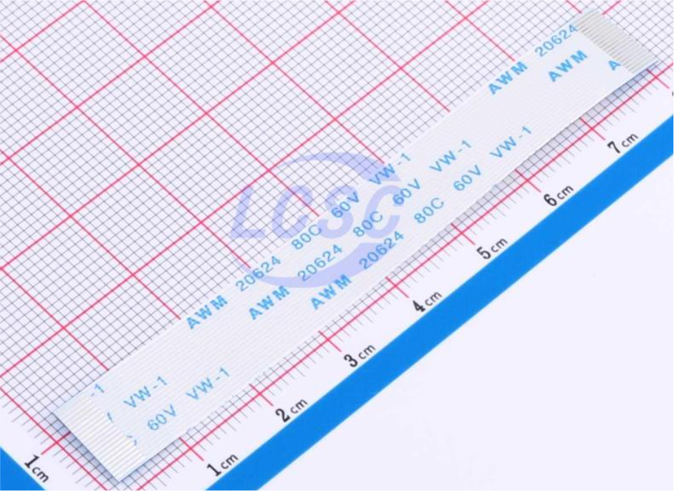
ACM2012-900-2P-T002 | 1000
IP POE CABLE

UNWANTED MATERIALS IN CARGO

